Sheet1
Michigan Diabetes Research Center (MDRC)
Chemistry Laboratory

The MDRC Chemistry Laboratory is partially funded by an NIH grant. When publishing data generated by the MDRC Chemistry Laboratory, please include this statement in the acknowledgements section of your manuscript:

"The project described was supported by Grant Number P30DK020572 (MDRC) from the National Institute of Diabetes and Digestive and Kidney Diseases"

Mouse Leptin ELISA Assay Results Sheet

 | Assay: | 29 |  | Assay Date: | 7/11/22

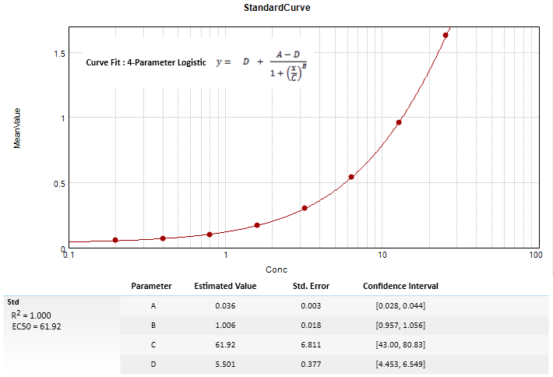

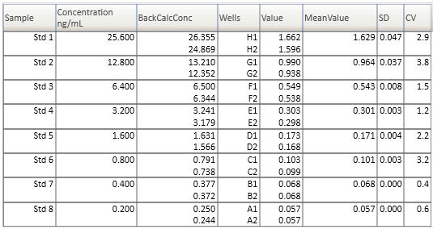

 |  | Mouse Leptin ELISA Assay Range: 0.2 - 25.6 ng/mL

 |  |  | H = Hemolyzed sample |  |  | L = Lipemic sample
 |  |  | HI = Above Assay Range |  |  | LO = Below Assay Range
 |  |  | SD = Poor Replicates (SD >20%) |  |  | RR = Rerun (no charge)

 |  |  | Date |  |  |  |  | Leptin
UK# | Investigator | Acc # | Rec'ed | Patient ID | Date | Code | Comment | ng/mL
1 | M.Myers | 22-08 | 7/5/22 | P0331 | 7/5/22 * |  |  | 2.85
2 | (A.Tomlinson) |  |  | P0332 |  |  |  | 3.64
3 |  |  |  | P0333 |  |  |  | 2.70
4 |  |  |  | P0334 |  |  |  | 1.80
5 |  |  |  | P0335 |  |  |  | 2.60
6 |  |  |  | P0337 |  |  |  | 1.29
7 |  |  |  | P0339 |  |  | SD - RR | -----
8 |  |  |  | P0340 |  |  |  | 2.38
9 |  |  |  | P0341 |  |  |  | 3.24
10 |  |  |  | P0342 |  |  |  | 2.85
11 |  |  |  | P0343 |  |  |  | 1.39
12 |  |  |  | P0344 |  |  |  | 4.28
13 |  |  |  | P0345 |  |  |  | 2.49
14 |  |  |  | P0346 |  |  |  | 2.11
15 |  |  |  | P0393 |  |  |  | 1.77
16 |  |  |  | P0395 |  |  |  | 1.96
17 |  |  |  | P0396 |  |  |  | 2.67
18 |  |  |  | P0398 |  |  |  | 2.59
19 |  |  |  | P0399 |  |  |  | 4.65
20 |  |  |  | P0400 |  |  |  | 1.06
21 |  |  |  | P0402 |  |  |  | 4.69
22 |  |  |  | P0403 |  |  |  | 1.76
23 |  |  |  | P0297 |  |  |  | 4.26
24 |  |  |  | P0300 |  |  |  | 4.56
25 |  |  |  | Q0001 |  |  |  | 7.42
26 |  |  |  | Q0002 |  |  |  | 8.89
27 |  |  |  | Q0006 |  |  |  | 3.50
28 |  |  |  | Q0007 |  |  |  | 2.39
29 |  |  |  | Q0008 |  |  |  | 1.40
30 |  |  |  | Q0009 |  |  |  | 2.86
31 |  |  |  | 269 |  |  |  | 7.51
32 |  |  |  | 283 |  |  |  | 16.74
33 |  |  |  | 265 |  |  | HI | > 25.6
34 |  |  |  | 268 |  |  | HI | >25.6
35 |  |  |  | 272 |  |  | HI ** Note | >102.4
36 |  |  |  | 270 |  |  | HI | >25.6
37 |  |  |  | 282 |  |  |  | 2.50
38 |  |  |  | 271 |  |  |  | 21.58

 | * Date samples were submitted.

 | ** Note: Insufficient volume to run the asssay. Tube only contained ~ 3 µL of serum.
 | I attempted to run the sample at a dilution (4x), but the resulting dilution was above the range of the assay.

